Hoja1
Power Ptot Ps Pr for different winds
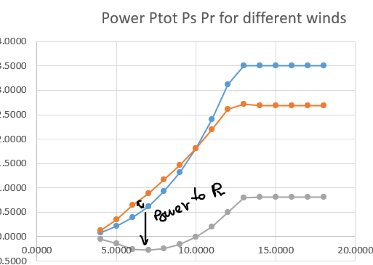
Wind speed | Nt | Nt | Ng | Slip | Tip speed ratio | Cp | Pcurve possible | Pt [MW] | Cp | Pstator | Protor
Wind speed [m/s] | ωt = (vw λopt) / Rblades Nt=ωt 30/π | Limited between Nmin and Nmax | Ng = G Nt | s=(ωsync-ωg)/ωsync ωsync = 2 π felec / Ppoles | λ= ωt Rblades / vw | Cp curve | Power curve calculation | Including limits | Corrected Cp (including pitch) | Ps = Pt / (1-s) | Pr = - Pt s /(1-s)
4.0000 | 9.9313 | 15.0000 | 900.0 | 0.4000 | 19.6350 | 0.3113 | 0.0798 | 0.0798 | 0.3113 | 0.1330 | -0.0532
5.0000 | 12.4141 | 15.0000 | 900.0 | 0.4000 | 15.7080 | 0.4269 | 0.2137 | 0.2137 | 0.4269 | 0.3562 | -0.1425
6.0000 | 14.8969 | 15.0000 | 900.0 | 0.4000 | 13.0900 | 0.4500 | 0.3893 | 0.3893 | 0.4500 | 0.6489 | -0.2595
7.0000 | 17.3797 | 17.3797 | 1042.8 | 0.3048 | 13.0000 | 0.4500 | 0.6183 | 0.6183 | 0.4500 | 0.8893 | -0.2711
8.0000 | 19.8625 | 19.8625 | 1191.8 | 0.2055 | 13.0000 | 0.4500 | 0.9229 | 0.9229 | 0.4500 | 1.1616 | -0.2387
9.0000 | 22.3454 | 22.3454 | 1340.7 | 0.1062 | 13.0000 | 0.4500 | 1.3140 | 1.3140 | 0.4500 | 1.4701 | -0.1561
10.0000 | 24.8282 | 24.8282 | 1489.7 | 0.0069 | 13.0000 | 0.4500 | 1.8025 | 1.8025 | 0.4500 | 1.8150 | -0.0125
11.0000 | 27.3110 | 27.3110 | 1638.7 | -0.0924 | 13.0000 | 0.4500 | 2.3991 | 2.3991 | 0.4500 | 2.1961 | 0.2030
Power for different generator speeds
12.0000 | 29.7938 | 29.7938 | 1787.6 | -0.1918 | 13.0000 | 0.4500 | 3.1147 | 3.1147 | 0.4500 | 2.6135 | 0.5012
13.0000 | 32.2766 | 32.2766 | 1936.6 | -0.2911 | 13.0000 | 0.4500 | 3.9601 | 3.5000 | 0.3977 | 2.7109 | 0.7891
14.0000 | 34.7594 | 32.5000 | 1950.0 | -0.3000 | 12.1550 | 0.4478 | 4.9213 | 3.5000 | 0.3184 | 2.6923 | 0.8077
15.0000 | 37.2423 | 32.5000 | 1950.0 | -0.3000 | 11.3446 | 0.4414 | 5.9667 | 3.5000 | 0.2589 | 2.6923 | 0.8077
16.0000 | 39.7251 | 32.5000 | 1950.0 | -0.3000 | 10.6356 | 0.4324 | 7.0941 | 3.5000 | 0.2133 | 2.6923 | 0.8077 | stator always positive
17.0000 | 42.2079 | 32.5000 | 1950.0 | -0.3000 | 10.0100 | 0.4218 | 8.3014 | 3.5000 | 0.1779 | 2.6923 | 0.8077
18.0000 | 44.6907 | 32.5000 | 1950.0 | -0.3000 | 9.4539 | 0.4104 | 9.5868 | 3.5000 | 0.1498 | 2.6923 | 0.8077
 |  | weare not optimicing for high or low rotational speed of the generator, we clamp the machine and we are not at optimal operation
R_blades | 50 |  | m |  |  | ideal power extraction, we are reaching the perfect speed, not clamping
Air density | 1.02 |  | kg/m3 |  |  |  |  | at this point we are already pitching to reduce speed
Pnom | 3.5 |  | MW |  |  |  |  |  | calculated with the curve
N gen max | 1950 |  | min-1 |  |  |  | we are just extracting 10%, we are not optimising
N gen min | 900 |  | min-1 |  |  |  | we are never going to reach this part, we are pitching before this levels
Gearbox | 60
Pole pairs | 2 |  |  |  | Pr changes from extracting power from the grid to producing it
Grid f | 50 |  | Hz

Sheet1
Lambda | Cp
0 | 0 | lambda opt | 13
1 | 0 | Cp opt | 0.45
2 | 0.06885 | k | 0.007
3 | 0.135
4 | 0.19485
5 | 0.2484
6 | 0.29565
7 | 0.3366
8 | 0.37125
9 | 0.3996
10 | 0.42165
11 | 0.4374
12 | 0.44685
13 | 0.45
14 | 0.44685
15 | 0.4374
16 | 0.42165
17 | 0.3996
18 | 0.37125
19 | 0.3366
20 | 0.29565
21 | 0.2484
22 | 0.19485
23 | 0.135
24 | 0.06885
25 | 0
26 | 0
27 | 0
28 | 0
29 | 0
30 | 0
31 | 0
32 | 0

